Sheet1
APPLIED STATISIC

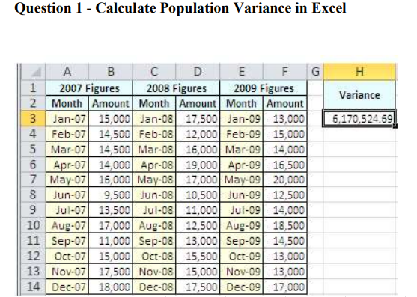
 | 2007 Figures |  | 2008 Figures |  | 2009 Figures
 | Month | Amount | Month | Amount | Month | Amount
 | Jan-07 | 15000 | Jan-08 | 17500 | Jan-09 | 13000
 | Feb-07 | 14500 | Feb-08 | 12000 | Feb-09 | 15000
 | Mar-07 | 14500 | Mar-08 | 16000 | Mar-09 | 14000
 | Apr-07 | 14000 | Apr-08 | 19000 | Apr-09 | 16500
 | May-07 | 16000 | May-08 | 17000 | May-09 | 20000
 | Jun-07 | 9500 | Jun-08 | 10500 | Jun-09 | 12500
 | Jul-07 | 13500 | Jul-08 | 11000 | Jul-09 | 14000
 | Aug-07 | 17000 | Aug-08 | 12500 | Aug-09 | 18500
 | Sep-07 | 11000 | Sep-08 | 13000 | Sep-09 | 14500
 | Oct-07 | 15000 | Oct-08 | 15500 | Oct-09 | 13000
 | Nov-07 | 17500 | Nov-08 | 15000 | Nov-09 | 13000
 | Dec-07 | 18000 | Dec-08 | 17500 | Dec-09 | 17000

 | Variance | 6170524.6914

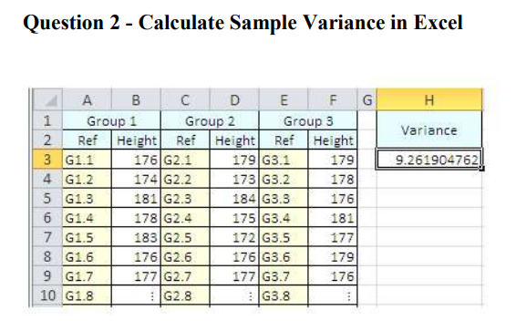
 | Group 1 |  | Group 2 |  | Group 3
 | Ref | Height | Ref | Height | Ref | Height
 | G1.1 | 176 | G2.1 | 179 | G3.1 | 179
 | G1.2 | 174 | G2.2 | 173 | G3.2 | 178
 | G1.3 | 181 | G2.3 | 184 | G3.3 | 176
 | G1.4 | 178 | G2.4 | 175 | G3.4 | 181
 | G1.5 | 183 | G2.5 | 172 | G3.5 | 177
 | G1.6 | 176 | G2.6 | 176 | G3.6 | 179
 | G1.7 | 177 | G2.7 | 177 | G3.7 | 176
 | G1.8 |  | G2.8 |  | G3.8

 | Variance | 8.820861678

